1. Title Page
Grocery Basket Analysis

Project Name: Instacart Grocery Basket Analysis
Date: 3/11/24
Analyst Name: Erica Henry

Contents:
Population Flow
Consistency checks
Wrangling steps
Column derivations
Visualizations
Recommendations

2. Population Flow
Population flow

Exclusion flag
Condition: max_order < 5
Obervations to be removed: 1440295
Final total count of order_products_all: 30964564

Orders_products_combined
Orders_products_merged
Orders_products_all

Total: 32434489
Total: 3240489
Total: 32404859

1.) The grey boxes in the first row of the population flow represent the original data sets as they were when you downloaded them. In the Total fields you need to add the count of the rows when you imported the data set into Jupyter.
2.) The second row of boxes (coloured) represents the data sets after you manipulated them, e.g., removed missing values and duplicates. In the Total fields you need to add the count of the rows after conducting these operations. This offers a visual oveview of how the data flows throughout the data consistency checks.
3.) The third row, where also the arrows are coloured, represents the merges you performed between the datasets. In the Total fields you need to add the count of the rows in the merged datasets, so that you end up with the final dataset (in the red box). Keep in mind the final dataset should be without exclusions (based on the exclusion flag).

3. Consistency checks
Consistency checks

Dataset | Missing values | Missing values treatment | Duplicates
orders | 206209 ( from 'days_since_prior_order' column) | Further examination of the data determined that it was safe to assume nulls indicated a user's first order attempt with Instacart. These observations were still important to overall analyses, so they were not removed. | 0
products | 16 | These missing values were removed | 5 total product_id duplicates were removed.
orders_products_prior | 0 | n/a | 0
customers | 11259 (from first name column) | These missing values were removed, along with the last name column, and placed in a separate subset in protection and compliance with PII. | 0

4. Wrangling steps
Wrangling steps

Columns dropped | Columns renamed | Columns' type changed | Comment/Reason
 | Surname (from Csutomers) |  | Changed to Last Name, for readability
 | n_dependants (from Customers) |  | Changed to number_of_dependents, for readability
 | reordered (from orders_products_prior) |  | Changed to number_of_times_reordered as a more suitable name for readability.
 | order_number (from orders) |  | Changed to number_of_orders as a more intuitive name.
 | order_dow (from orders) |  | Changed to orders_day_of_week as a more suitable name for readability and clarity of column details.
eval_set |  |  | Removed, not needed for analysis.
 |  | user_id | Changed to "str" in preparation of quantitative analysis. Was converted back to numeric data type 'int' once completed within wrangling.
 |  | order_id | Changed to "str" in preparation of quantitative analysis. Was converted back to numeric data type 'int' once completed within wrangling.
 | STATE (from customers) |  | Renamed for consistency within column names.

5. Column derivations
Column Derivations and Aggregations

In this tab I've added tables below that the frequences of flags/label variables that were produced after deriving them. NOTE: I've not completed for continuous variables, only for flags.
price_range_loc count
Mid-range product 5934899
Low-range product 2746545
High-range product 112445
busiest_day count
Regularly busy 6092246
Busiest day 1669292
Least busy 1032351
busiest_days count
Regularly busy day 3509514
Busiest day 1669292
2nd Busiest day 1538458
2nd Least busy day 1044274
Least busy day 1032351
loyalty_flag count
Regular customer 4527442
Loyal customer 3029357
New customer 1237090
frequency_flag count
Non-frequent customer 7243862
Frequent customer 1237090
Regular customer 312937
Spending_flag count
Low spender 8621941
High spender 171948
Age_Groups_profile count
Young Adult 3166912
Senior 2874116
Middle Age 2752861
dependent_flag count
With Dependents 6595128
Without Dependents 2198761
income_profile count
Middle income 7769129
Low income 951753
High income 73007
Dataset | New column | Column/s it was derived from | Conditions
orders_products_merged_updated | price_range_loc | prices | If the values in the prices column are greater than $15, then label "High-range product". If the values in the prices column are above $5 but lower than or equal to $15, then label "Mid-range product". If the values in the prices column is lower than $5, then label "Low-range product".
orders_products_merged_updated | Average Spending | prices | If the mean of the prices of products purchased by a user is lower than 10, then flag them as a “Low spender.” If the mean of the prices of products purchased by a user is higher than or equal to 10, then flag them as a “High spender.”
orders_products_merged_updated | Frequency flag | Median Customer Frequency | If 'Median Customer Frequency' <20, then 'Frequency flag' set to 'Non-frequent customer'. If 'Median Customer Frequency' >10 & >= 20, then 'Frequency flag' set to 'Regular customer'. If "Median Customer Frequency' <= 10, then 'Frequency flag' set to 'Frequent customer'.
orders_products_merged_updated | Median Customer Frequency | user_id and days_since_prior_order | Created by grouping the user_id and median of “days_since_prior_order" columns.
orders_products_merged_updated | max_order | user_id and number_of_orders | Columns were aggregated and new column contains the maximum frequency of the “number_of_orders” column.
orders_products_merged_updated | loyalty_flag | max_order | If max_order > 40, then 'Loyal customer'. If max_order <= 40 & > 10, then 'Regular customer'. If max_order <= 10, then 'New customer'.
orders_products_merged_updated | busiest_day | orders_day_of_week | If value == 0, then result "Busiest day". If value == 4, then result "Least busy". All else "Regularly busy".
orders_products_merged_updated | busiest_days | orders_day_of_week | If value == 0, then result "Busiest day". If value == 1, then result "2nd Busiest day". If value == 4, then result "Least busy day". All else "Regularly busy".
orders_products_merged_updated | price_range | prices | If price <= 5, then return 'Low-range product'. If price > 5 and <= 15, then return 'Mid-range product'. If price > 15, then return 'High range'. All else, not enough data.
orders_products_merged_updated | Spending_flag | region, spending_flag | Proportion high = High spender /Total * 100. Proportion low = Low spender / Total * 100.
orders_products_merged_updated | busiest_period_of_day | order_hour_of_day | If value == 10, then result "Most orders". If value == 3, then result "Fewest orders". All else "Average orders".
small_sample_profiled | customer_profile | Age, income | If 'Age' <= 40 & 'income' >0 & <= 50000, then= 'Low income young adult'. If 'Age' > 40 & <= 60 & 'income' > 50000 & <= 200000, then = 'Middle income middle age'. If 'Age' > 60 & <= 81 & 'income' > 200000, then 'High income senior'. If 'Age' <= 40 & 'income' > 50000 & <= 200000, then 'Middle income young adult'. If 'Age' > 40 & <= 60 & 'income' > 200000, then 'High income middle age'. If 'Age' > 60 & <= 81 & 'income' > 50000) & <= 200000,' then 'Middle income senior'. If Age' > 60 & <= 81) & 'income' <= 50000, then 'Low income senior'. If 'Age' > 40 & <= 60 & 'income' <= 50000, then 'Low income middle age'. If Age' <= 40 & 'income'] > 200000), then 'High income young adult'.
orders_products_merged_updated | day_of_week_name | orders_day_of_week | Column created to fill with data dictionary for named days of the week for orders_day_of_week.
orders_products_merged_updated | region | State | Created data dictionary from State column and filled new column created with data dictionary.
small_randomized_profile_sample | dependents_mean | user_id, number_of_dependents | Is the mean of number_of_dependents grouped by user_id
small_randomized_profile_sample | dependent_flag | dependents_mean | If dependents_mean <= 0, then 'Without Dependents'. If dependents_mean > 0, 'then 'With Dependents'.
small_sample_profiled | department_name | department_id | Contains names of departments corresponding to department_id's from depts_dictionary.
small_randomized_profile_sample | income_profile | income | If 'income' <= 50000, then 'Low income'. If 'income ' > 50000 & <= 200000, then 'Middle income'. If income' > 200000, then 'High income'.
orders_products_merged_updated | Age_Groups_profile | Age | If Age >= 18 & <= 40, then 'Young Adult. If Age > 40 & <= 60, then 'Middle Age. If Age > 60 & <= 81, then 'Senior'.

6. Visualizations
Visualisations and Recommendations

Here you will find the analysis results below, outlined addressing key questions included in the project brief.
I've included visualizations from 4.9 and 4.10 alongside recommendations to address marketing strategies based on the results of analysis completed.

Part 1. The sales team needs to know what the busiest days of the week and hours of the day are (i.e., the days and times with the most orders) in order to schedule ads at times when there are fewer orders.
*They also want to know whether there are particular times of the day when people spend the most money, as this might inform the type of products they advertise at these times.

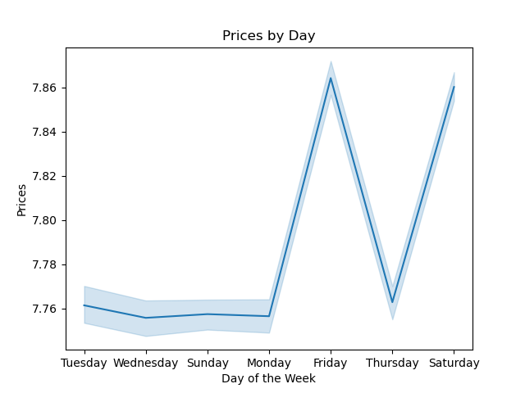
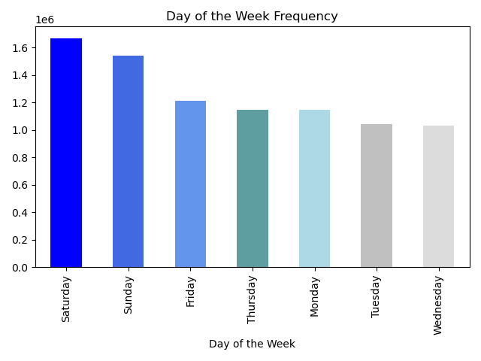

In reference to spending, the line charts reveals that Friday and Saturday are the highest customer spending days. So while Sunday is a busy orders day, it is not a high spending day.
Friday and Saturday would be great days to introduce and/or promote more premium products or services.

Saturday is the busiest day of the week for all customers overall. Sunday is the 2nd busiest day, and Friday is the 3rd busiest day. Since these days have the highest orders, ads should be forgone on these days.

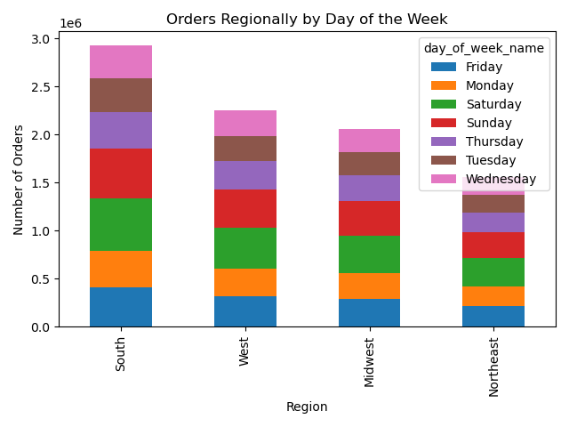

This chart gives insight into daily orders frequency on a broader level by regions. The South region has the highest orders frequency.
Daily orders frequency is congruent across regions according to the overall busiest and least busiest days of the week.

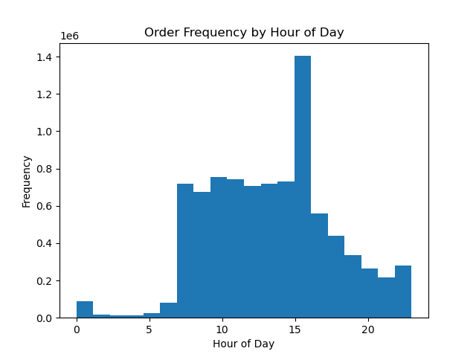

At around 3pm or 15:00 is the busiest time of day, with the highest order frequency of the day.
Overall, from 10:00 to 15:00 represents the most busiest hours. From 0 to 5, or midnight to 5am, are the least busiest hours.
Since the least busy hours are hours are sleeping hours, it would be best to consider ads from 15:00 to 20:00 when a noticeable decline in orders can be seen. Monday thru Wednesday would be good days of the week overall for ads, as they are the least busy days of the week.

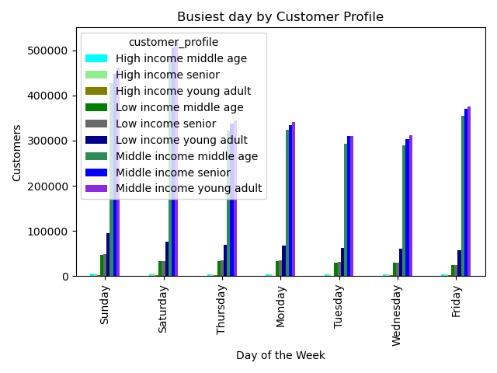
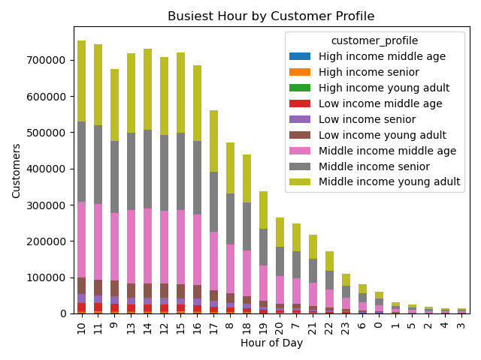

9 total customer base profiles were derived from age groups and inome tiers to examine customer behavior more closely. The busiest day of the week on customer profile levels is on target with customers overall above.
As seen in the chart, the busiest hours of the day are consistent across customer profiles, but there is an expansion of the most busy hours that can be observed, such as the 10:00- 11:00 hours, as well as 14:00.
The middle income tier across age groups (young adult 18-40, middle age 40-60, and senior 60+) dominates the customer profile variable created, and gives us more insight about the demographic of "who" is placing the majority of orders.

Part 2. Instacart has a lot of products with different price tags. Marketing and sales want to use simpler price range groupings to help direct their efforts.

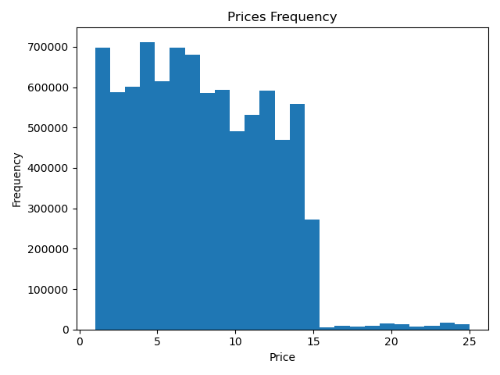
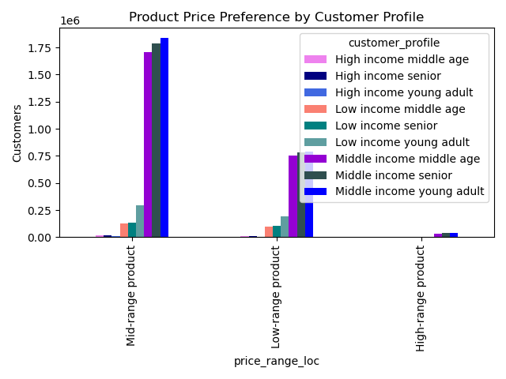

The price_range_loc variable was created to to assist in the implementation of simpler price range groupings.
The mid-range product tier ($5- $15) is the most preferenced price range product tier by customers. Focusing marketing efforts to include new and existing products from this price range that customers predominantly order within, can foster an increase of orders.

The price range of orders ranges from $1.00 to $25.00, with the bulk of the majority of orders ranging from $1.00 to $16.00.

Part 3. Are there certain types of products that are more popular than others? The marketing and sales teams want to know which departments have the highest frequency of product orders.

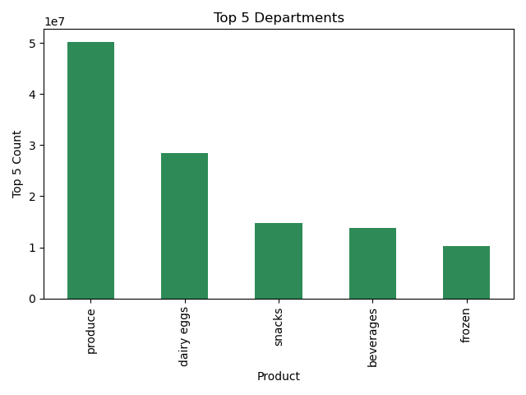

Produce is the #1 department, followed by dairy eggs.
These top departments should be targeted in marketing efforts to maximize orders placed, with special emphasis on the first 2 that outperform the other 3.

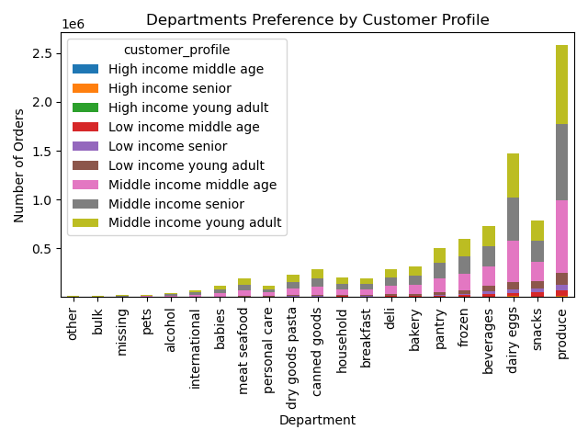
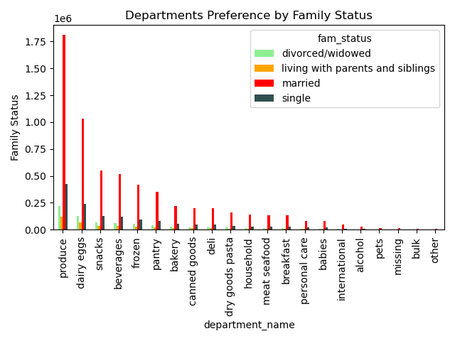

Departments with the highest ordering frequency is stabe across family status and profile of customers.

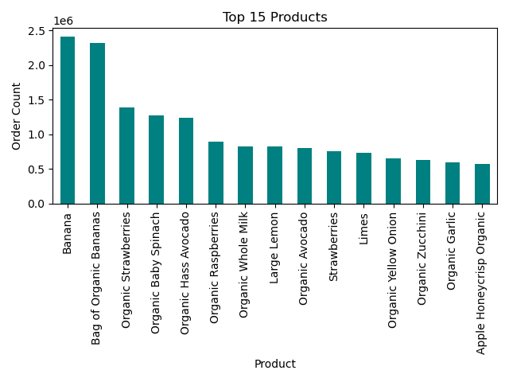
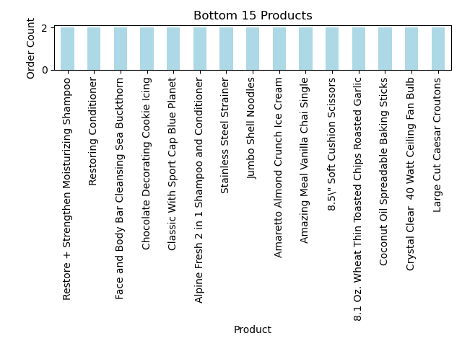

The top 15 products are representative of the top departments, namely produce. All but one product is from a different department.
These top products give further insight as to what customers are purchasing within the top departments. Incorporating ads tailored around the the top products would resonate with customers to place more orders and would be a strategic way for Instacart to position ourselves where there is customer need.
Personal care products and a few off-beat dry goods and household products characterize the bottom products list.
To accomodate orders demand efficiently, bottom performing products should possibly be restricted from being able to be ordered, especially on the most busiest days and hours of day.

Part 4. The marketing and sales teams are particularly interested in the different types of customers in their system and how their ordering behaviors differ. For example: What’s the distribution among users in regards to their brand loyalty (i.e., how often do they return to Instacart)?

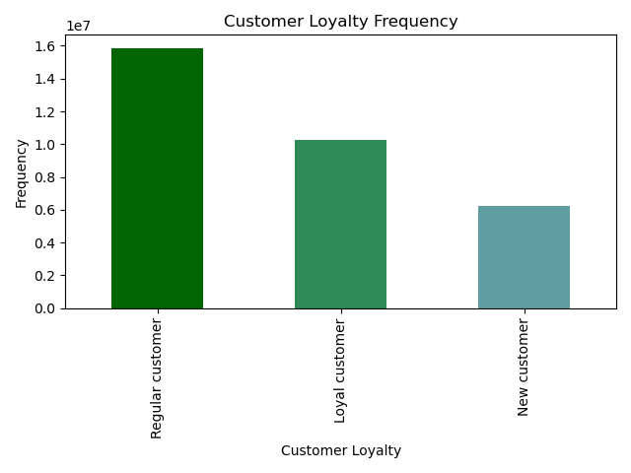
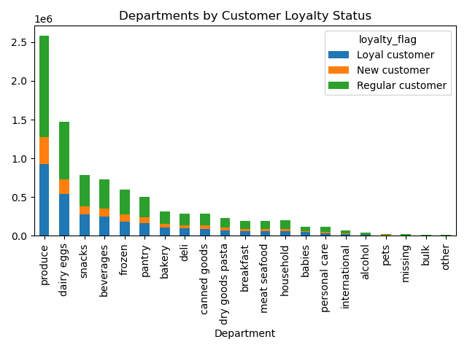

The customers with the highest frequency of placing orders are regular customers, and loyal customers are the 2nd highest frequency.
With this in mind, automation of targeted ads based on shopping preferences and frequency, and an enhanced customer loyalty rewards program, could boost the orders frequency of the loyal customer base and regular customers. These implementations in turn could also convert many regualr customers into loyal customers.

Departments by loyalty status are is distributed across all customers. So, regardless of loyalty status customers are most likely to order within the top departments.

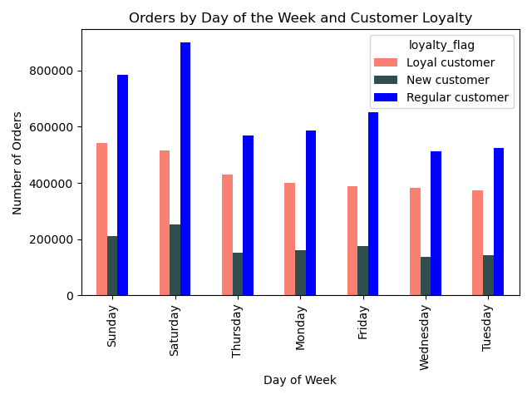

Persistent with the busiest days of ordering for all customers, the busiest ordering day for customers of all loyalty status is Saturday, followed by Sunday and Friday.

Are there differences in ordering habits based on a customer’s region?

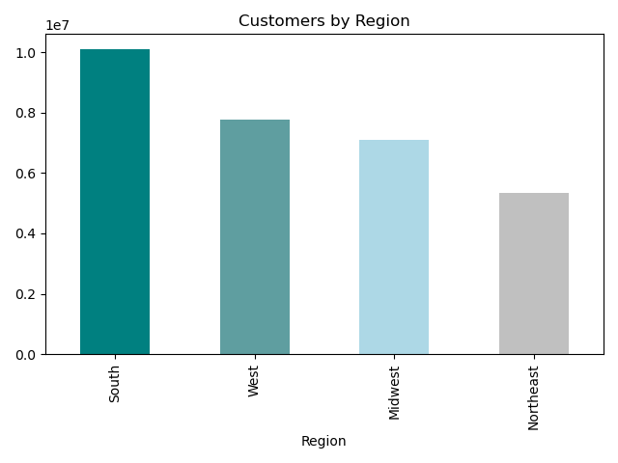
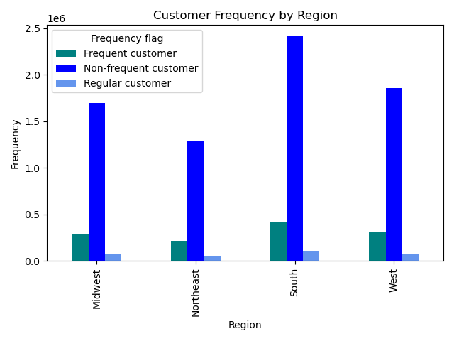

The South region has the highest total customer counts, followed by the West region.
These charts show that overall order frequency is consistent across regions by total customer counts. So while the South has the highest customer frequency, this region also has the highest total customer count. This ultimately reveals that ordering frequency is consistent in correlation to overall customer counts.

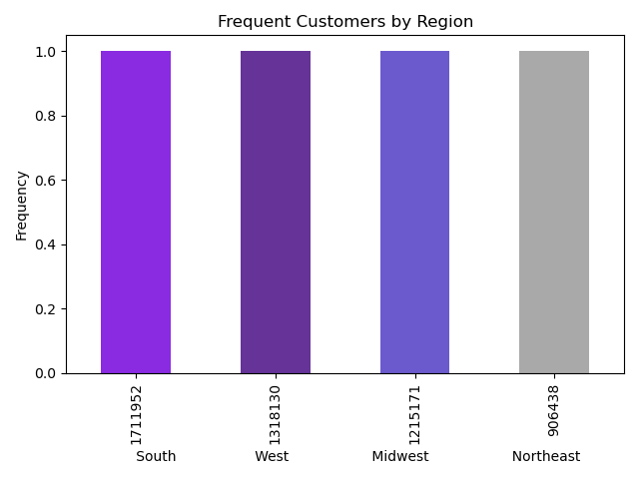
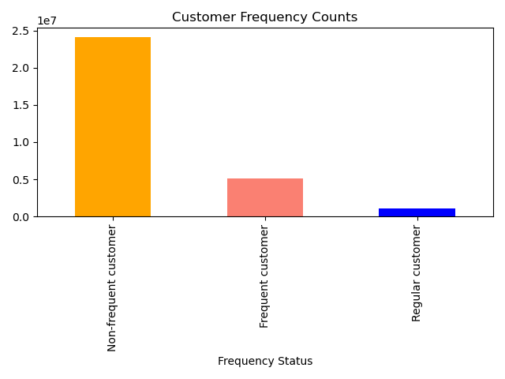

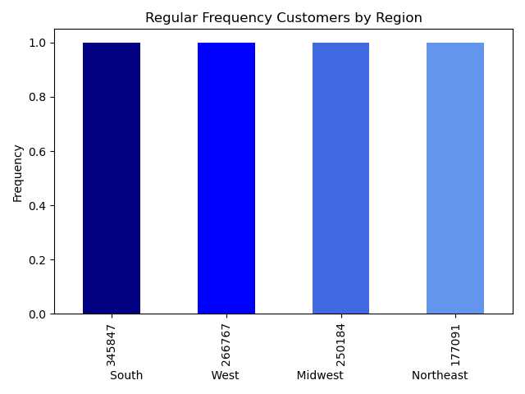
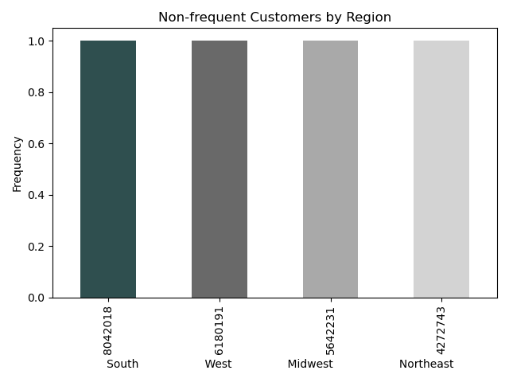

These charts show that non-frequent customers are dominant among customer frequency. Marketing measures focused on customer retention is needed, and targeting of user preferences.
Surveys regarding user experience and prompts for feedback would be helpful in determining what is happening during the customer experience that is causing so many not to return.

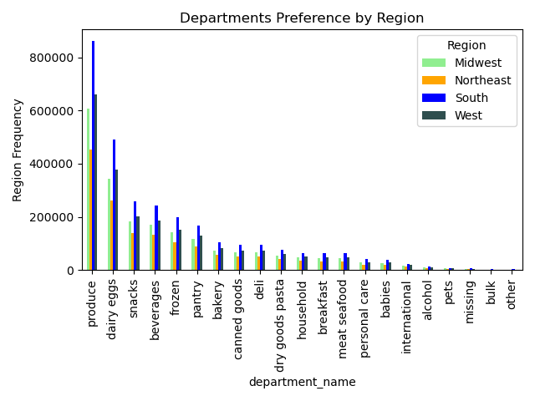

Top departments do not show to differ regionally, so it is not necessary to segment marketing efforts related to departments regionally.
The top performing departments as a whole are top performing departments across each region.

What different classifications does the demographic information suggest? Age? Income?

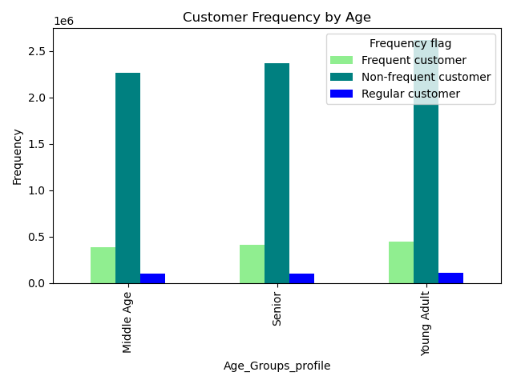
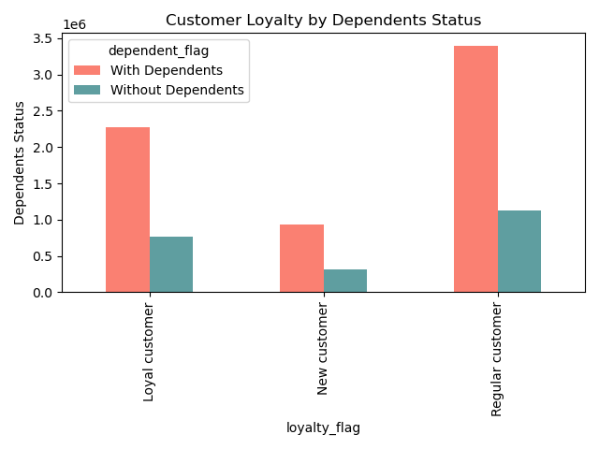

Young adults have the highest frequency, followed by middle age, and lastly seniors.
Customers of all loyalty status predominantly have dependents. This insight can lead to the inclusion of products related to children in marketing efforts and/ or ads tailored to include this aspect of life.

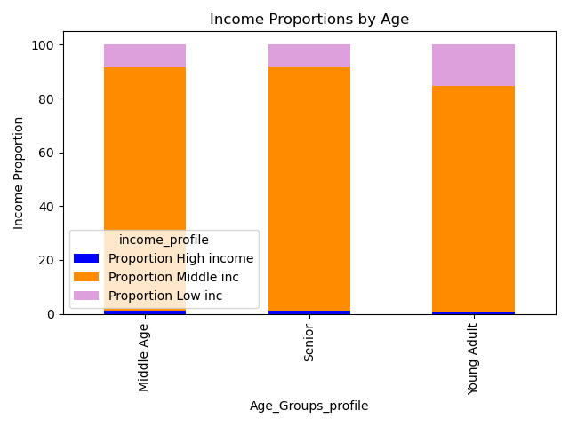
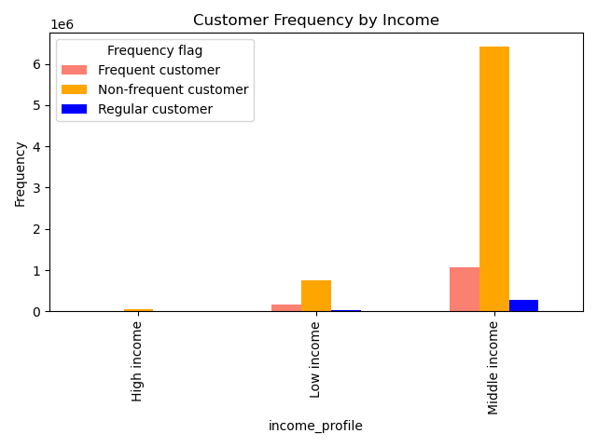

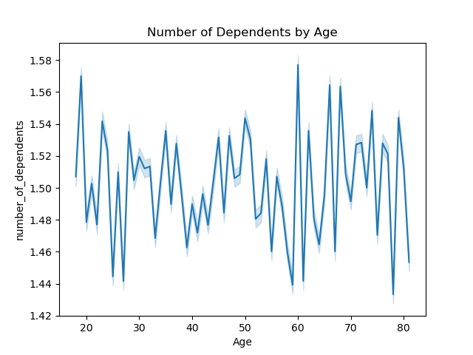
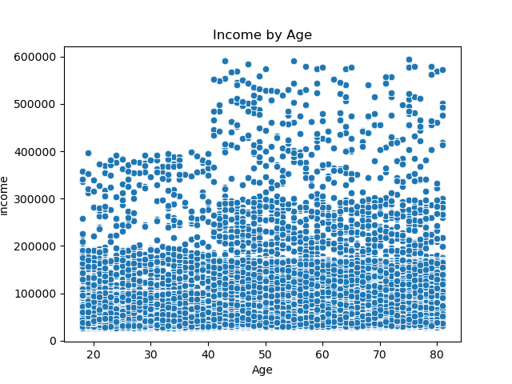

The majority of Instacart's customers fall within the middle income tier (50K- 200K) across all age groups. Consequently, this income tier is also representative of the most frequent ordering customer.
Similar to what other customer frequency data has revealed, such as regional customer counts correlation to corresponding frequency level, there is a strong connection between customer income tier counts and frequency level.
There does not appear to be a connection between age and the number of dependents a customer has, but the line chart does show some drop points in the number of dependents customers have by age.
The first 2 drops in the number of dependents occur between 25- 30 yrs old., other drops seen occur just before and just after 60 and 80 yrs. old.
These drop points may be helpful to more specific targeted marketing by age.

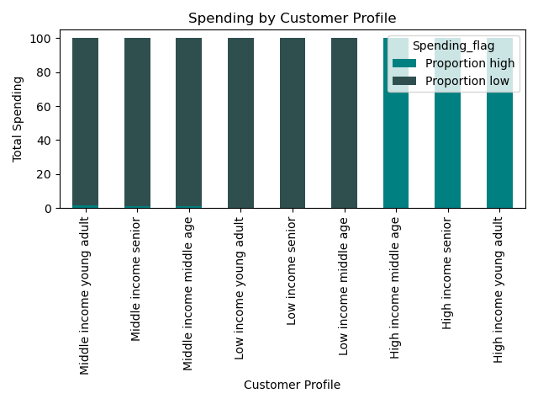
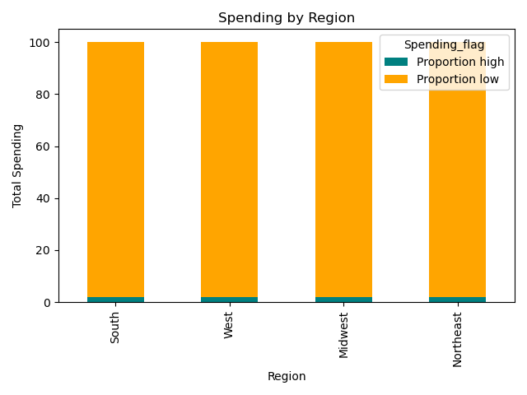

HIgh income middle age, high income seniors, and high income young adults makeup the customers within the high proportion of spending.
While this segment is small in comparson to total customers, specific targeting marketing of mid and higher tier products should specifically be advertised to this customer base.

Every region has a low proportion of high spending. This shows the importance of targeting the most frequent prices tier of mid- range products ($5-$15) in marketing efforts, especially ads.

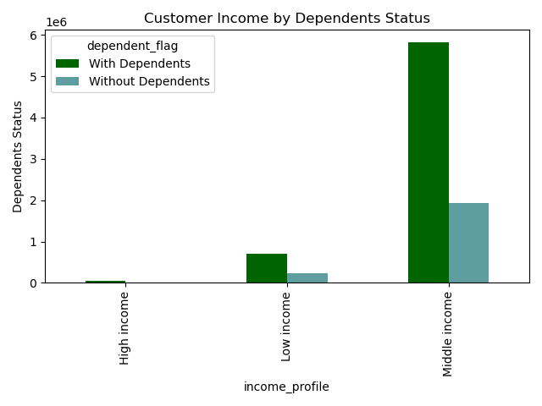

These final charts explore further possible insights into high frequency customer markers.
The charts reiterate that customers within the middle income tier have the highest frequency, and that they also tend to have dependents. This is an insight that can be incorporated into ads in showing Instacart's customer base culture that may lead way to creating more loyal and frequent customers.

7. Recommendations Summary
Recommendations

In this tab you will find a summary of all recommendations made in terms of marketing strategy moving forward based on the questions posed in the brief.

Recommendations Summary:

When schedule ads at times when there are fewer orders:
At around 3pm or 15:00 is the busiest time of day, with the highest order frequency of the day.
Overall, from 10:00 to 15:00 represents the most busiest hours. From 0 to 5, or midnight to 5am, are the least busiest hours.
Since the least busy hours are hours are sleeping hours, it would be best to consider ads from 15:00 to 20:00 when a noticeable decline in orders can be seen. Monday thru Wednesday would be good days of the week overall for ads, as they are the least busy days of the week.

Times of the day when people spend the most money to inform the type of products advertised at these times:
Friday and Saturday are the highest customer spending days.
Friday and Saturday would be great days to introduce and/or promote more premium products or services.

Addressing pricing:
The price_range_loc variable was created to to assist in the implementation of simpler price range groupings. (If the values in the prices column are greater than $15, then label "High-range product".
If the values in the prices column are above $5 but lower than or equal to $15, then label "Mid-range product". If the values in the prices column is lower than $5, then label "Low-range product".

Products that are more popular than others departments have the highest frequency of product orders:
The top 15 products are representative of the top departments, namely produce. Personal care products and a few off-beat dry goods and household products characterize the bottom products list.

Recommendations based on the different types of customers profiled and how their ordering behavior differs:
The customers with the highest frequency of placing orders are regular customers, and loyal customers are the 2nd highest frequency.
With this in mind, automation of targeted ads based on shopping preferences and frequency, and an enhanced customer loyalty rewards program, could boost the orders frequency of the loyal customer base and
regular customers. These implementations in turn could also convert many regualr customers into loyal customers.

Among overall frequency, non-frequent customers are dominant among customer frequency. Marketing measures focused on customer retention is needed, and targeting of user preferences.
Surveys regarding user experience and prompts for feedback would be helpful in determining what is happening during the customer experience that is causing so many not to return.

Top departments do not differ regionally, so it is not necessary to segment marketing efforts related to departments regionally. Top performing departments are top performing departments across all regions.

Customers of all loyalty status predominantly have dependents. This insight can lead to the inclusion of products related to children in marketing efforts and/ or ads tailored to include this aspect of life.
Furthermore, there does not appear to be a connection between age and the number of dependents a customer has.
Of note for more specific targeted marketing by age, there are 2 drops in the number of dependents by customers. The first occurs between 25- 30 yrs old., and the other drop is seen just before and just after 60 and 80 yrs. old.

The South region has the highest total customer counts, followed by the West region. Overall order frequency is consistent across regions by total customer counts. So while the South has the highest customer
frequency, this region also has the highest total customer count. This ultimately reveals that ordering frequency is consistent in correlation to overall customer counts.

Every region has a low proportion of high spending so it is important to target the most frequent prices tier of mid- products ($5-$15) in marketing efforts, including ads.

The customer base profile of hIgh income middle age, high income seniors, and high income young adults makeup the customers within the "high proportion of spending."
Specific targeted marketing of mid and higher tier products should specifically be advertised to this customer base.

Customers within the middle income tier have the highest frequency, and they also likely have dependents. To create more targeted and conscious ads, this is an insight that can be incorporated into them to show
Instacart's customer base culture that may lead way to creating more loyal and frequent customers.

